Introduction
Consider placing government institution/EITI logo(s) here
Template EITI Beneficial ownership declaration form

Guidance for companies

1. The form has 2 parts (worksheets):
Part 1 covers the company identification details and legal owners (if applicable)
Part 2 is a beneficial ownership declaration form to be filled in for each beneficial owner. If there is more than one beneficial owner, please complete one worksheet per beneficial owner.
Optional: part 3 allows declaring companies to include a visual representation of the company's ownership structure.

2. Place your pointer over cells with a ⓘ to see supporting information
This colour indicates the field is required
This colour indicates the field is voluntary

3. For questions on filling in this form, please contact [Name or Office of form administrator, email / phone number]

Instruction to MSG and form administrators (remove before sending)

This beneficial ownership declaration form has been issued by the EITI International Secretariat as a model template to countries that wish to collect beneficial ownership information as part of the EITI reporting process. The template allows for basic beneficial ownership data collection. A template for collecting high quality data is available on eiti.org (for the link, see below). This template may also be used to collect (or inform the collection of) beneficial ownership information via "mainstreamed" national disclosure platforms, such as license registers or corporate registers. The MSG may wish to attach this form to the reporting templates distributed to extractive companies. The MSG may wish to modify the template depending on local circumstances.
1. Fields [bracketed and in red] should be completed by the MSG prior to distributing the template.
2. These colour of the fields reflect what the EITI requires according to requirement 2.5. The MSG may need to adjust the field colour from voluntary to required (green to orange) if their national definition is broader than the minimum EITI disclosure requirement. | s

In accordance with the EITI Standard (requirement 2.5), companies are required to complete the fields marked in orange.
Unless the MSG decides otherwise, it is voluntary for companies to complete the fields marked in green. The MSG should decide on this and adjust the colours accordingly prior to distributing the template.

3. The MSG should determine the contact person for any questions from companies and fill that in under point 3. above [bracketed and in red]
4. Before sending the form, please delete the text "instruction to MSG and form administrators".

Version 2.0 as of 1 September 2020. For details, see the hidden worksheet "changelog".
Name: Model EITI beneficial ownership declaration form for basic data collection
https://eiti.org/document/beneficial-ownership-model-declaration-form

3.Optional companyownership map
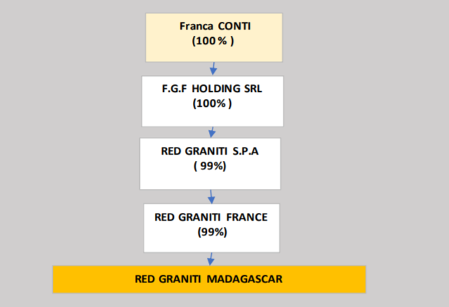

Optional: provide a diagram here of the ownership and control structure of the declaring company (either insert image or use Excel drawing tools).
Delete the examples below and replace with own.
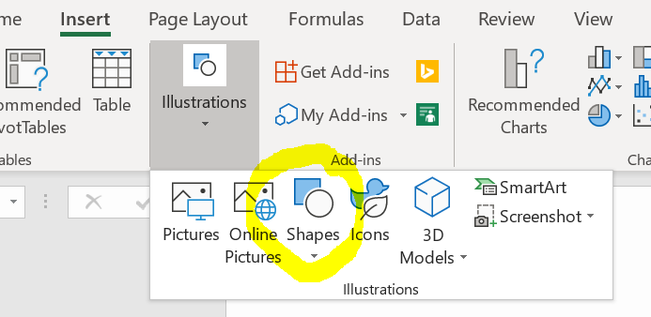
(3) Company ownership map (edit shapes below or draw)

Some example shapes (click and copy paste, or delete)
example Declaring company name

30%
50%
20%

Legal owner 1 (company name)
Legal owner 2
(company name)
Legal owner 3 (company name)

100%
100%
80%
20%

Beneficial owner (person name)
Publicly listed company
(company name)
Legal owner 4
(company name)
Beneficial owner
(person name)

51%
100%

Ministry of Finace (State participation)
Beneficial owner and a PEP
(person name, reason for PEP)

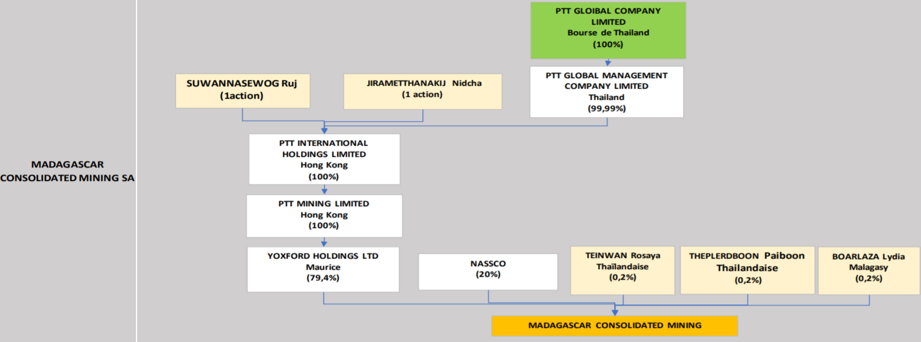
Examples from Madagascar 2018 EITI Report, Annex 5
https://eiti.org/document/madagascar-2018-eiti-report

